Group Sheets
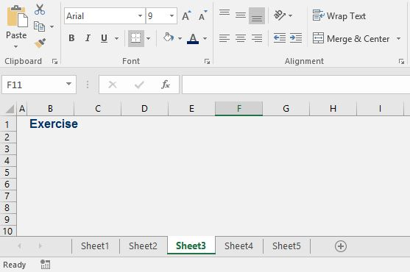
SOLUTION - Group Sheets

After you create the new sheets, click on one, hold the Ctrl key, and then select the rest.

After you have applied the required formatting, click on Sheet 1 and then on Sheet 3 and see that it's been formatted nicely.

